Instructions
CommScopeDistance Calculator for PoE/Power Extenders

→ Set the Design Parameters needed in the Yellow Cells
→ Results based on Design Parameters are provided in the Tan Cells

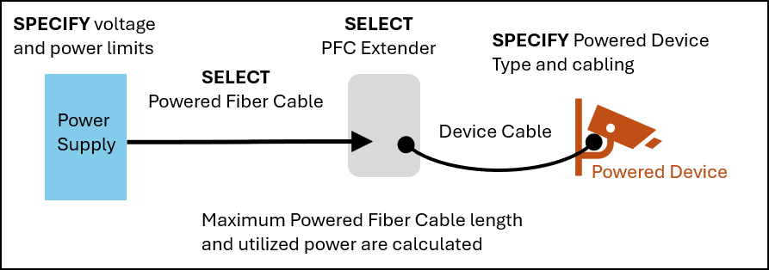

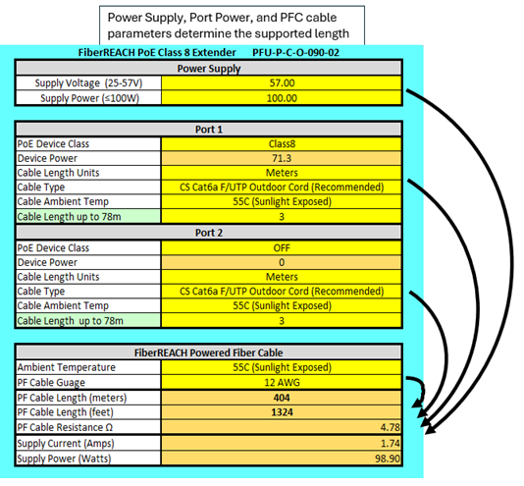

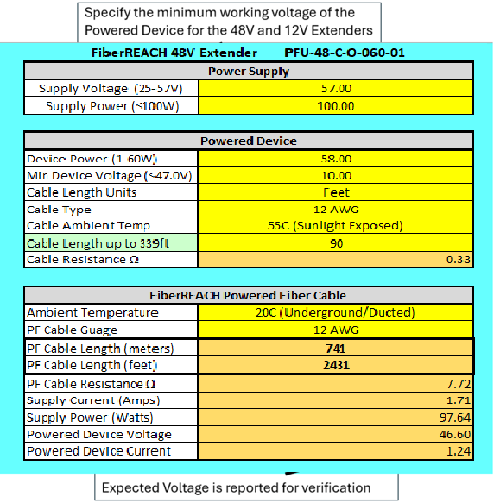

DISCLAIMER: These calculations are provided for guidance purposes only. They are provided “as is” and
should not be relied upon without consultation with and supervision of experienced personnel and a
local CommScope representative. CommScope makes no representations or warranties of any kind related
to these tools, whether express or implied, and specifically disclaims and excludes any representation
or warranty of merchantability, quality, content, completeness, suitability, adequacy, accuracy,
noninfringement or fitness for a particular purpose and any representation arising by usage of trade,
course of dealing or course of performance. CommScope is under no obligation to issue any upgrades,
update specifications or notify users of this tool that changes have been made. The user of these tools
assumes all risks associated with such use, and CommScope hereby disclaims any and all liability for
damages of any kind resulting from such use.

Contact CommScope Systems Engineering for help with powered fiber calculations
that do not involve the PFU line of PoE and power extenders.

Voltage, Current, and Power results are based on minimum Extender performance
and actual results may be different.

Version 10

